Research Categories
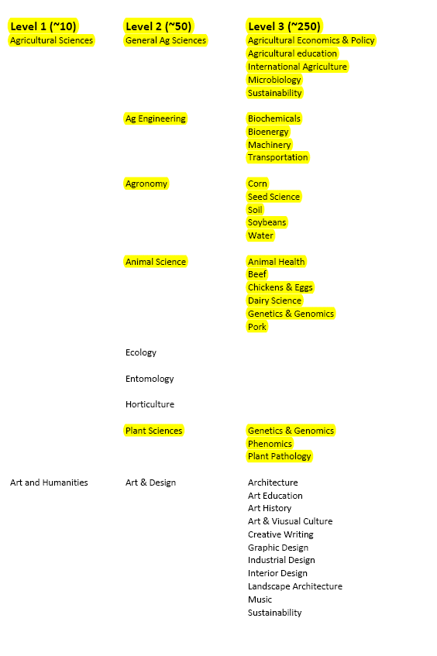

Column 1 = Level 1 (Broad Categories) - REQUIRED

Column 2 = Level 2 (Subcategory 1) - OPTIONAL

Column 3 = Level 3 (Subcategory 2) - OPTIONAL

ABE's most common categories are highlighted, however,
you may select any category that applies to your proposal.

Do not select any more than 1 option from each column.

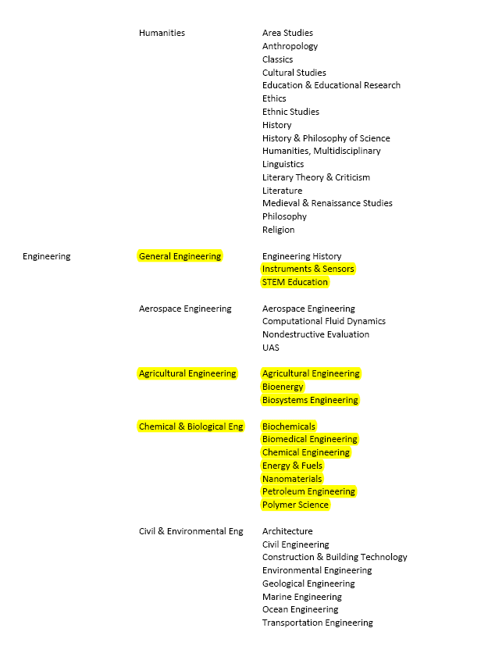
Column 1 = Level 1 (Broad Categories) - REQUIRED

Column 2 = Level 2 (Subcategory 1) - OPTIONAL

Column 3 = Level 3 (Subcategory 2) - OPTIONAL

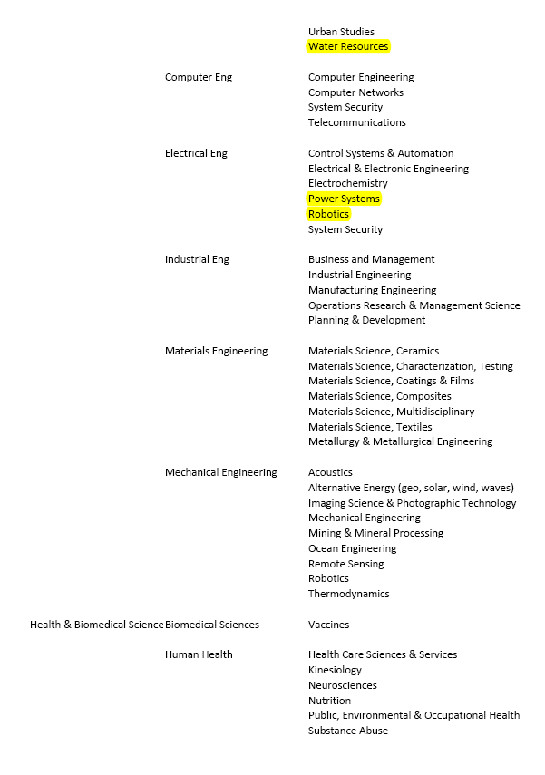
Column 1 = Level 1 (Broad Categories) - REQUIRED

Column 2 = Level 2 (Subcategory 1) - OPTIONAL

Column 3 = Level 3 (Subcategory 2) - OPTIONAL

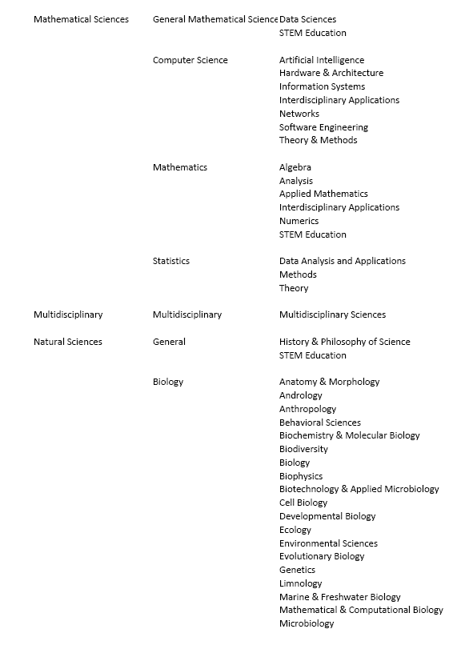
Column 1 = Level 1 (Broad Categories) - REQUIRED

Column 2 = Level 2 (Subcategory 1) - OPTIONAL

Column 3 = Level 3 (Subcategory 2) - OPTIONAL

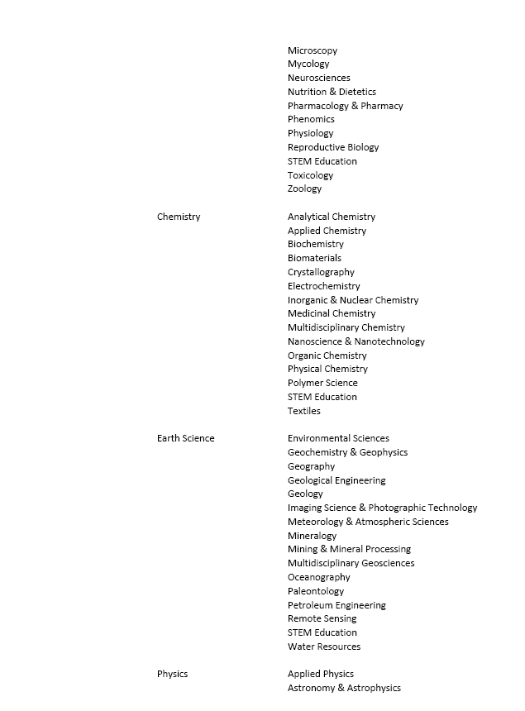
Column 1 = Level 1 (Broad Categories) - REQUIRED

Column 2 = Level 2 (Subcategory 1) - OPTIONAL

Column 3 = Level 3 (Subcategory 2) - OPTIONAL

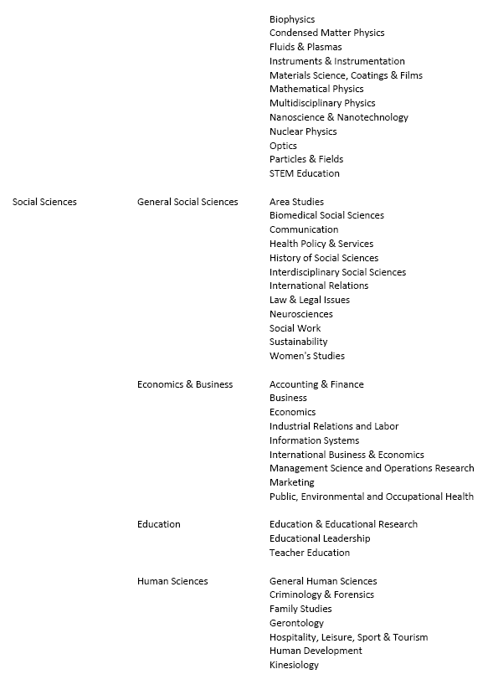
Column 1 = Level 1 (Broad Categories) - REQUIRED

Column 2 = Level 2 (Subcategory 1) - OPTIONAL

Column 3 = Level 3 (Subcategory 2) - OPTIONAL

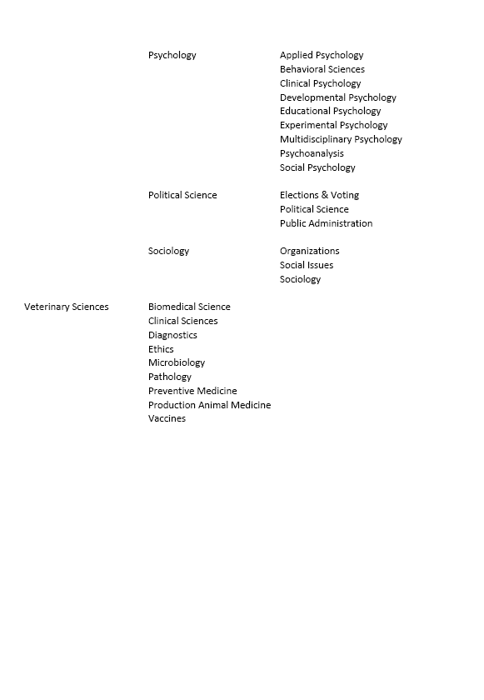

Column 1 = Level 1 (Broad Categories) - REQUIRED

Column 2 = Level 2 (Subcategory 1) - OPTIONAL

Column 3 = Level 3 (Subcategory 2) - OPTIONAL

